Data w-Python
Education | Income | Rand | Ed Level | Mean | Std Dev
Masters Grad | $190,662 | 0.88748190717 | Masters Grad | 130,000 | 50,000
College Grad | $63,247 | 0.2518040306 | College Grad | 90,000 | 40,000
HS Grad | $90,624 | 0.69584048702 | HS Grad | 65,000 | 50,000
Masters Grad | $42,553 | 0.040151014876
College Grad | $161,483 | 0.96303781954
HS Grad | $80,530 | 0.62194655587
Masters Grad | $110,751 | 0.35012393662
College Grad | $104,849 | 0.64476617413
HS Grad | $24,396 | 0.20837432526
Masters Grad | $68,868 | 0.11073422335
College Grad | $91,622 | 0.51617587949
HS Grad | $38,019 | 0.29473258174
Masters Grad | $116,063 | 0.39022425407
College Grad | $36,822 | 0.091851379161
HS Grad | $76,192 | 0.58856117024
Masters Grad | $156,730 | 0.70353766024
College Grad | $83,303 | 0.43352054155
HS Grad | $106,757 | 0.79817800718
Masters Grad | $128,396 | 0.48720422187
College Grad | $70,370 | 0.31180461087 |  |  |  | 0
HS Grad | $64,215 | 0.49373551232
Masters Grad | $190,414 | 0.8865293257
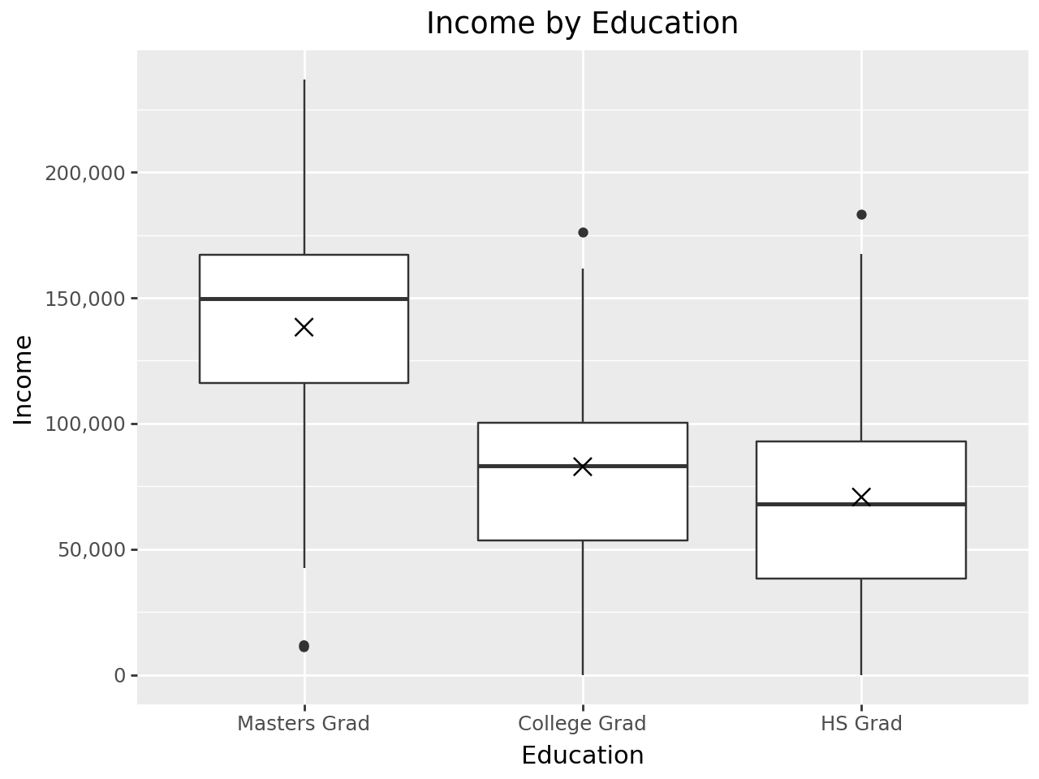
College Grad | $51,326 | 0.16680965493
HS Grad | $29,168 | 0.23679679373
Masters Grad | $119,805 | 0.41921313241
College Grad | $116,155 | 0.74340386833
HS Grad | $52,187 | 0.39887758017
Masters Grad | $131,418 | 0.51130945342
College Grad | $47,441 | 0.1436679198
HS Grad | $119,521 | 0.86223524465
Masters Grad | $179,165 | 0.83727126001
College Grad | $79,256 | 0.39412015039
HS Grad | $88,202 | 0.67869226881
Masters Grad | $236,799 | 0.98365983495
College Grad | $89,937 | 0.49937573418
HS Grad | $46,791 | 0.3578613144
Masters Grad | $160,462 | 0.72882000139
College Grad | $58,354 | 0.21442564569
HS Grad | $46,218 | 0.35358960857
Masters Grad | $140,677 | 0.58454986429
College Grad | $101,143 | 0.60971915592
HS Grad | $147,772 | 0.95108282408
Masters Grad | $124,263 | 0.45432306393
College Grad | $29,792 | 0.066135679672
HS Grad | $50,458 | 0.38558337849
Masters Grad | $154,919 | 0.69089088573
College Grad | $122,743 | 0.79348275553
HS Grad | $183,365 | 0.99104079838
Masters Grad | $158,707 | 0.7170663137
College Grad | $83,261 | 0.43310033048
HS Grad | $140,817 | 0.93528377892
Masters Grad | $11,736 | 0.0090080674718
College Grad | $121,031 | 0.78106139427
HS Grad | $75,893 | 0.58623013193
Masters Grad | $160,056 | 0.72612200078
College Grad | $176,228 | 0.9844463628
HS Grad | $63,746 | 0.48999470577
Masters Grad | $86,728 | 0.19340131577
College Grad | $120,969 | 0.78060098548
HS Grad | $82,106 | 0.63387260623
Masters Grad | $147,609 | 0.63764760903
College Grad | $58,677 | 0.21679071138
HS Grad | $13,740 | 0.15263252627
Masters Grad | $10,982 | 0.008647780665
College Grad | $44,549 | 0.12792152829
HS Grad | $150,060 | 0.95554794536
Masters Grad | $195,531 | 0.9050055957
College Grad | $154,875 | 0.9475860744
HS Grad | $16,415 | 0.16559747311
Masters Grad | $229,155 | 0.97632195421
College Grad | $98,319 | 0.58237245113
HS Grad | $57,783 | 0.44261370043
Masters Grad | $221,999 | 0.96711494688
College Grad | $88,251 | 0.48256004012
HS Grad | $73,756 | 0.56950428089
Masters Grad | $202,522 | 0.92653226475
College Grad | $0 | 0.0098386236099
HS Grad | $394 | 0.098158975603
Masters Grad | $153,674 | 0.68206665895
College Grad | $92,660 | 0.52651307798
HS Grad | $0 | 0.025954792525
Masters Grad | $169,415 | 0.7847403586
College Grad | $86,241 | 0.46256150033
HS Grad | $0 | 0.049642900459
Masters Grad | $116,158 | 0.39095469819
College Grad | $94,592 | 0.54570076659
HS Grad | $93,415 | 0.71508725975
Masters Grad | $59,429 | 0.079059695143
College Grad | $35,190 | 0.085304014557
HS Grad | $0 | 0.041980216145
Masters Grad | $152,013 | 0.67012214837
College Grad | $78,095 | 0.38299164894
HS Grad | $38,820 | 0.30027537958
Masters Grad | $152,744 | 0.67540327327
College Grad | $76,671 | 0.36947760368
HS Grad | $167,293 | 0.97961470228
Masters Grad | $88,113 | 0.20108771855
College Grad | $46,223 | 0.13688359152
HS Grad | $71,883 | 0.55474749797
Masters Grad | $134,685 | 0.53732882201
College Grad | $51,774 | 0.16962313732
HS Grad | $113,443 | 0.83369484068

